QC- Sensorgram
QC- Sensorgram

Data group | Custom | by Flow cell

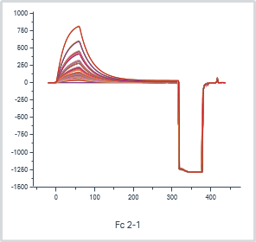
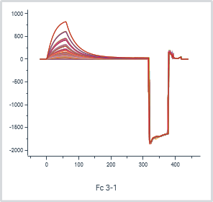
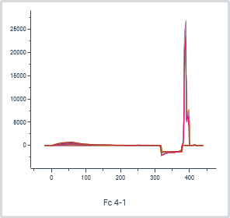

 |  |  |  |  |  |  | Analyte 1 | Analyte 1 | Analyte stability early_1 | Analyte 1
Cycle | Flow cell | Sensorgram type | Analysis step purpose | Analysis step name | Excluded | Curve markers | Solution | Concentration (µg/ml) | Relative (RU) | Control type
5 | 2-1 | Reference subtracted | Calibration | Calibration 1 |  |  | Calib 1 | 0 | -0.6 | Not a control
5 | 3-1 | Reference subtracted | Calibration | Calibration 1 |  |  | Calib 1 | 0 | -0.6 | Not a control
5 | 4-1 | Reference subtracted | Calibration | Calibration 1 |  |  | Calib 1 | 0 | -0.5 | Not a control
6 | 2-1 | Reference subtracted | Calibration | Calibration 1 |  |  | Calib 1 | 0 | -0.6 | Not a control
6 | 3-1 | Reference subtracted | Calibration | Calibration 1 |  |  | Calib 1 | 0 | -0.6 | Not a control
6 | 4-1 | Reference subtracted | Calibration | Calibration 1 |  |  | Calib 1 | 0 | -0.4 | Not a control
7 | 2-1 | Reference subtracted | Calibration | Calibration 1 |  |  | Calib 1 | 0.215 | 32.0 | Not a control
7 | 3-1 | Reference subtracted | Calibration | Calibration 1 |  |  | Calib 1 | 0.215 | 32.6 | Not a control
7 | 4-1 | Reference subtracted | Calibration | Calibration 1 |  |  | Calib 1 | 0.215 | 28.9 | Not a control
8 | 2-1 | Reference subtracted | Calibration | Calibration 1 |  |  | Calib 1 | 0.215 | 32.0 | Not a control
8 | 3-1 | Reference subtracted | Calibration | Calibration 1 |  |  | Calib 1 | 0.215 | 32.5 | Not a control
8 | 4-1 | Reference subtracted | Calibration | Calibration 1 |  |  | Calib 1 | 0.215 | 24.4 | Not a control
9 | 2-1 | Reference subtracted | Calibration | Calibration 1 |  |  | Calib 1 | 0.322 | 48.3 | Not a control
9 | 3-1 | Reference subtracted | Calibration | Calibration 1 |  |  | Calib 1 | 0.322 | 49.2 | Not a control
9 | 4-1 | Reference subtracted | Calibration | Calibration 1 |  |  | Calib 1 | 0.322 | 37.0 | Not a control
10 | 2-1 | Reference subtracted | Calibration | Calibration 1 |  |  | Calib 1 | 0.322 | 48.4 | Not a control
10 | 3-1 | Reference subtracted | Calibration | Calibration 1 |  |  | Calib 1 | 0.322 | 49.3 | Not a control
10 | 4-1 | Reference subtracted | Calibration | Calibration 1 |  |  | Calib 1 | 0.322 | 43.8 | Not a control

QC- Regeneration
QC- Regeneration

Data grouping | Flow cell

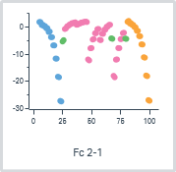
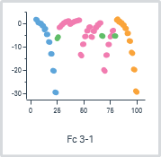
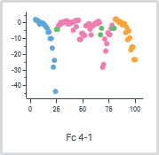
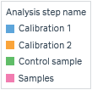

 |  |  | Analyte 1 | Analyte 1 | Analyte baseline_1 | Regeneration level_1 | Regeneration baseline_1 | Regeneration level_1 | Regeneration baseline_1 | Analyte binding late_1 | Analyte baseline_1
Cycle | Flow cell | Analysis step purpose | Solution | Concentration (µg/ml) | Absolute (RU) | Absolute (RU) | Absolute (RU) | Relative (RU) | Relative (RU) | Relative (RU) | Relative (RU)
5 | 2-1 | Calibration | Calib 1 | 0 | 2626.4 | 2627.0 | 2625.1 | 1.9 | -1.3 | -1.1 | 0.0
5 | 3-1 | Calibration | Calib 1 | 0 | 3492.6 | 3493.0 | 3491.1 | 2.0 | -1.5 | -1.7 | 0.0
5 | 4-1 | Calibration | Calib 1 | 0 | 2742.6 | 2743.5 | 2741.3 | 2.2 | -1.3 | -1.5 | 0.0
6 | 2-1 | Calibration | Calib 1 | 0 | 2626.4 | 2626.8 | 2624.9 | 1.9 | -1.5 | -1.2 | 0.0
6 | 3-1 | Calibration | Calib 1 | 0 | 3492.2 | 3492.5 | 3490.7 | 1.8 | -1.5 | -1.7 | 0.0
6 | 4-1 | Calibration | Calib 1 | 0 | 2741.9 | 2742.4 | 2740.8 | 1.5 | -1.1 | -1.5 | 0.0
7 | 2-1 | Calibration | Calib 1 | 0.215 | 2626.0 | 2626.6 | 2625.9 | 0.8 | -0.2 | 33.9 | 0.0
7 | 3-1 | Calibration | Calib 1 | 0.215 | 3491.4 | 3492.0 | 3491.4 | 0.6 | 0.0 | 34.2 | 0.0
7 | 4-1 | Calibration | Calib 1 | 0.215 | 2741.0 | 2742.5 | 2740.9 | 1.6 | 0.0 | 29.1 | 0.0
8 | 2-1 | Calibration | Calib 1 | 0.215 | 2625.9 | 2626.6 | 2625.7 | 0.9 | -0.2 | 33.9 | 0.0
8 | 3-1 | Calibration | Calib 1 | 0.215 | 3491.1 | 3491.6 | 3490.9 | 0.6 | -0.1 | 34.1 | 0.0
8 | 4-1 | Calibration | Calib 1 | 0.215 | 2740.5 | 2741.9 | 2741.1 | 0.8 | 0.6 | 23.3 | 0.0
9 | 2-1 | Calibration | Calib 1 | 0.322 | 2625.8 | 2626.6 | 2626.2 | 0.4 | 0.4 | 51.6 | 0.0
9 | 3-1 | Calibration | Calib 1 | 0.322 | 3490.7 | 3491.3 | 3491.1 | 0.2 | 0.4 | 52.2 | 0.0
9 | 4-1 | Calibration | Calib 1 | 0.322 | 2739.9 | 2740.6 | 2741.3 | -0.8 | 1.4 | 36.0 | 0.0
10 | 2-1 | Calibration | Calib 1 | 0.322 | 2625.8 | 2626.5 | 2626.1 | 0.4 | 0.3 | 51.7 | 0.0
10 | 3-1 | Calibration | Calib 1 | 0.322 | 3490.3 | 3491.0 | 3490.7 | 0.3 | 0.5 | 52.6 | 0.0
10 | 4-1 | Calibration | Calib 1 | 0.322 | 2738.9 | 2739.6 | 2739.3 | 0.3 | 0.4 | 44.9 | 0.0

Blank subtraction | No

Molecular weight adjustment | No

Capture/ligand adjustment | No

Adjustment for controls | No

Curve analysis | No

QC- Baseline
QC- Baseline

Data grouping | Flow cell

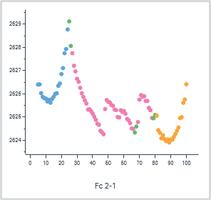
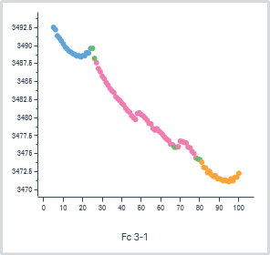
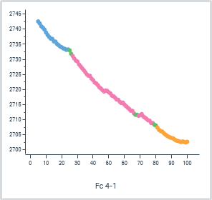

 |  |  | Analyte 1 | Analyte 1 | Analyte baseline_1 | Regeneration level_1 | Regeneration baseline_1 | Regeneration level_1 | Regeneration baseline_1 | Analyte binding late_1 | Analyte baseline_1
Cycle | Flow cell | Analysis step purpose | Solution | Concentration (µg/ml) | Absolute (RU) | Absolute (RU) | Absolute (RU) | Relative (RU) | Relative (RU) | Relative (RU) | Relative (RU)
5 | 2-1 | Calibration | Calib 1 | 0 | 2626.4 | 2627.0 | 2625.1 | 1.9 | -1.3 | -1.1 | 0.0
5 | 3-1 | Calibration | Calib 1 | 0 | 3492.6 | 3493.0 | 3491.1 | 2.0 | -1.5 | -1.7 | 0.0
5 | 4-1 | Calibration | Calib 1 | 0 | 2742.6 | 2743.5 | 2741.3 | 2.2 | -1.3 | -1.5 | 0.0
6 | 2-1 | Calibration | Calib 1 | 0 | 2626.4 | 2626.8 | 2624.9 | 1.9 | -1.5 | -1.2 | 0.0
6 | 3-1 | Calibration | Calib 1 | 0 | 3492.2 | 3492.5 | 3490.7 | 1.8 | -1.5 | -1.7 | 0.0
6 | 4-1 | Calibration | Calib 1 | 0 | 2741.9 | 2742.4 | 2740.8 | 1.5 | -1.1 | -1.5 | 0.0
7 | 2-1 | Calibration | Calib 1 | 0.215 | 2626.0 | 2626.6 | 2625.9 | 0.8 | -0.2 | 33.9 | 0.0
7 | 3-1 | Calibration | Calib 1 | 0.215 | 3491.4 | 3492.0 | 3491.4 | 0.6 | 0.0 | 34.2 | 0.0
7 | 4-1 | Calibration | Calib 1 | 0.215 | 2741.0 | 2742.5 | 2740.9 | 1.6 | 0.0 | 29.1 | 0.0
8 | 2-1 | Calibration | Calib 1 | 0.215 | 2625.9 | 2626.6 | 2625.7 | 0.9 | -0.2 | 33.9 | 0.0
8 | 3-1 | Calibration | Calib 1 | 0.215 | 3491.1 | 3491.6 | 3490.9 | 0.6 | -0.1 | 34.1 | 0.0
8 | 4-1 | Calibration | Calib 1 | 0.215 | 2740.5 | 2741.9 | 2741.1 | 0.8 | 0.6 | 23.3 | 0.0
9 | 2-1 | Calibration | Calib 1 | 0.322 | 2625.8 | 2626.6 | 2626.2 | 0.4 | 0.4 | 51.6 | 0.0
9 | 3-1 | Calibration | Calib 1 | 0.322 | 3490.7 | 3491.3 | 3491.1 | 0.2 | 0.4 | 52.2 | 0.0
9 | 4-1 | Calibration | Calib 1 | 0.322 | 2739.9 | 2740.6 | 2741.3 | -0.8 | 1.4 | 36.0 | 0.0
10 | 2-1 | Calibration | Calib 1 | 0.322 | 2625.8 | 2626.5 | 2626.1 | 0.4 | 0.3 | 51.7 | 0.0
10 | 3-1 | Calibration | Calib 1 | 0.322 | 3490.3 | 3491.0 | 3490.7 | 0.3 | 0.5 | 52.6 | 0.0
10 | 4-1 | Calibration | Calib 1 | 0.322 | 2738.9 | 2739.6 | 2739.3 | 0.3 | 0.4 | 44.9 | 0.0

Blank subtraction | No

Molecular weight adjustment | No

Capture/ligand adjustment | No

Adjustment for controls | No

Curve analysis | No

Evaluation - Trend_Active_Stab
Evaluation - Concentration (Trend_Active_Stability)

Data grouping | Serial
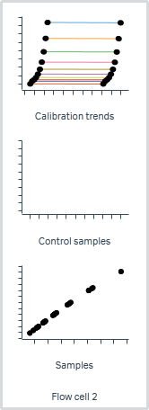
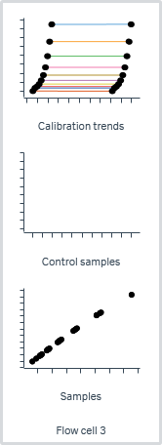
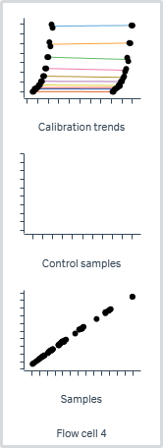

 |  |  |  |  |  |  |  | Analyte 1 |  | Analyte 1
Cycle | Flow cell | Sensorgram type | Analysis step purpose | Analysis step name | Excluded | Curve markers | Calib. curve | Solution | Response (RU) | Concentration (µg/ml) | Calculated conc. (µg/ml) | Avg. calc. conc. (µg/ml) | CV (%) | Calc. conc. vs expected (%)
5 | 2 | Active | Calibration | Calibration 1 |  |  | 1 | Calib 1 | -5.53E-01 | 0
6 | 2 | Active | Calibration | Calibration 1 |  |  | 1 | Calib 1 | -5.83E-01 | 0
7 | 2 | Active | Calibration | Calibration 1 |  |  | 1 | Calib 1 | 3.33E+01 | 0.215 | 2.22E-01 | 2.22E-01 | 3.29E-02 | 1.03E+02
8 | 2 | Active | Calibration | Calibration 1 |  |  | 1 | Calib 1 | 3.33E+01 | 0.215 | 2.22E-01 | 2.22E-01 | 3.29E-02 | 1.03E+02
9 | 2 | Active | Calibration | Calibration 1 |  |  | 1 | Calib 1 | 5.05E+01 | 0.322 | 3.28E-01 | 3.28E-01 | 1.15E-01 | 1.02E+02
10 | 2 | Active | Calibration | Calibration 1 |  |  | 1 | Calib 1 | 5.04E+01 | 0.322 | 3.28E-01 | 3.28E-01 | 1.15E-01 | 1.02E+02

Parameters
Calibration curve | Rhi | Rlo | A1 | A2 | Chi²
1 | 1.971E+03 | 1.058E+00 | 8.630E+00 | 1.119E+00 | 2.361E+00
2 | 1.961E+03 | 9.068E-01 | 8.646E+00 | 1.118E+00 | 3.166E+00
3 | 1.983E+03 | 1.284E+00 | 8.573E+00 | 1.118E+00 | 2.501E+00
4 | 1.995E+03 | 1.205E+00 | 8.637E+00 | 1.117E+00 | 3.132E+00
5 | 1.946E+03 | -1.696E+00 | 9.714E+00 | 1.090E+00 | 1.087E+02
6 | 2.084E+03 | 2.733E+00 | 1.012E+01 | 1.154E+00 | 1.143E+02

Evaluation - Trend_Ref_Binding
Evaluation - Concentration (Trend_Ref_Binding)

Data grouping | Serial
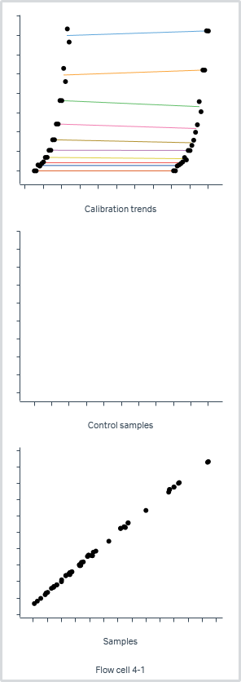
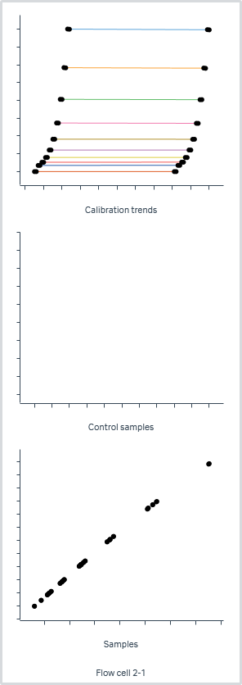
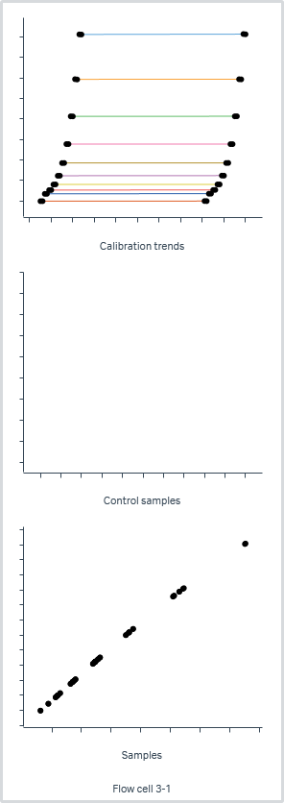

 |  |  |  |  |  |  |  | Analyte 1 |  | Analyte 1
Cycle | Flow cell | Sensorgram type | Analysis step purpose | Analysis step name | Excluded | Curve markers | Calib. curve | Solution | Response (RU) | Concentration (µg/ml) | Calculated conc. (µg/ml) | Avg. calc. conc. (µg/ml) | CV (%) | Calc. conc. vs expected (%)
5 | 2-1 | Reference subtracted | Calibration | Calibration 1 |  |  | 1 | Calib 1 | -1.11E+00 | 0
6 | 2-1 | Reference subtracted | Calibration | Calibration 1 |  |  | 1 | Calib 1 | -1.15E+00 | 0
7 | 2-1 | Reference subtracted | Calibration | Calibration 1 |  |  | 1 | Calib 1 | 3.39E+01 | 0.215 | 2.23E-01 | 2.23E-01 | 1.74E-03 | 1.04E+02
8 | 2-1 | Reference subtracted | Calibration | Calibration 1 |  |  | 1 | Calib 1 | 3.39E+01 | 0.215 | 2.23E-01 | 2.23E-01 | 1.74E-03 | 1.04E+02
9 | 2-1 | Reference subtracted | Calibration | Calibration 1 |  |  | 1 | Calib 1 | 5.16E+01 | 0.322 | 3.30E-01 | 3.30E-01 | 1.22E-01 | 1.02E+02
10 | 2-1 | Reference subtracted | Calibration | Calibration 1 |  |  | 1 | Calib 1 | 5.17E+01 | 0.322 | 3.30E-01 | 3.30E-01 | 1.22E-01 | 1.03E+02

Parameters
Calibration curve | Rhi | Rlo | A1 | A2 | Chi²
1 | 2.365E+03 | 8.488E-01 | 9.969E+00 | 1.121E+00 | 3.206E+00
2 | 2.384E+03 | 1.266E+00 | 1.015E+01 | 1.118E+00 | 3.819E+00
3 | 2.376E+03 | 4.521E-01 | 9.857E+00 | 1.119E+00 | 3.538E+00
4 | 2.420E+03 | 1.152E+00 | 1.010E+01 | 1.117E+00 | 3.927E+00
5 | 2.159E+03 | -2.628E+00 | 1.083E+01 | 1.089E+00 | 3.207E+02
6 | 2.592E+03 | 3.630E+00 | 1.234E+01 | 1.172E+00 | 2.232E+02

Evaluation - Preced_Ref_Binding
Evaluation - Concentration (Preceding_Ref_Binding)

Data grouping | Serial

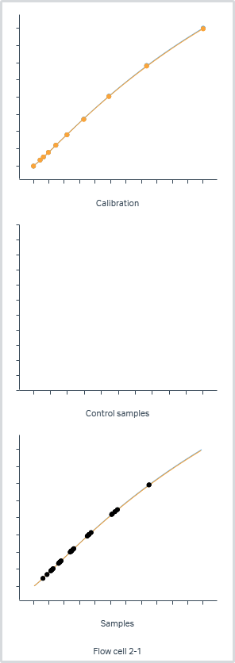
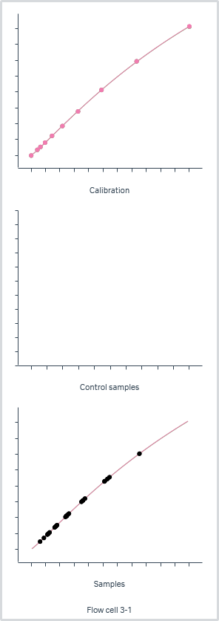
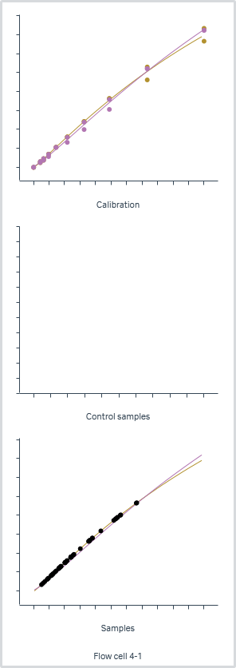
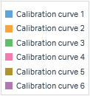

 |  |  |  |  |  |  |  | Analyte 1 |  | Analyte 1
Cycle | Flow cell | Sensorgram type | Analysis step purpose | Analysis step name | Excluded | Curve markers | Calib. curve | Solution | Response (RU) | Concentration (µg/ml) | Calculated conc. (µg/ml) | Avg. calc. conc. (µg/ml) | CV (%) | Calc. conc. vs expected (%)
5 | 2-1 | Reference subtracted | Calibration | Calibration 1 |  |  | 1 | Calib 1 | -1.11E+00 | 0
6 | 2-1 | Reference subtracted | Calibration | Calibration 1 |  |  | 1 | Calib 1 | -1.15E+00 | 0
7 | 2-1 | Reference subtracted | Calibration | Calibration 1 |  |  | 1 | Calib 1 | 3.39E+01 | 0.215 | 2.23E-01 | 2.23E-01 | 1.74E-03 | 1.04E+02
8 | 2-1 | Reference subtracted | Calibration | Calibration 1 |  |  | 1 | Calib 1 | 3.39E+01 | 0.215 | 2.23E-01 | 2.23E-01 | 1.74E-03 | 1.04E+02
9 | 2-1 | Reference subtracted | Calibration | Calibration 1 |  |  | 1 | Calib 1 | 5.16E+01 | 0.322 | 3.30E-01 | 3.30E-01 | 1.22E-01 | 1.02E+02
10 | 2-1 | Reference subtracted | Calibration | Calibration 1 |  |  | 1 | Calib 1 | 5.17E+01 | 0.322 | 3.30E-01 | 3.30E-01 | 1.22E-01 | 1.03E+02

Parameters
Calibration curve | Rhi | Rlo | A1 | A2 | Chi²
1 | 2.365E+03 | 8.488E-01 | 9.969E+00 | 1.121E+00 | 3.206E+00
2 | 2.384E+03 | 1.266E+00 | 1.015E+01 | 1.118E+00 | 3.819E+00
3 | 2.376E+03 | 4.521E-01 | 9.857E+00 | 1.119E+00 | 3.538E+00
4 | 2.420E+03 | 1.152E+00 | 1.010E+01 | 1.117E+00 | 3.927E+00
5 | 2.159E+03 | -2.628E+00 | 1.083E+01 | 1.089E+00 | 3.207E+02
6 | 2.592E+03 | 3.630E+00 | 1.234E+01 | 1.172E+00 | 2.232E+02

